PT Chart
Technology Roadmap Milestone Summary
 | Count of TECHNOLOGY | Average of Value Add
1 | 56 | 13.0
2 | 26 | 15.8
3 | 25 | 14.1
4 | 10 | 16.1
5 | 2 | 16.3
9 | 1 | -3.8
0 | 1 | 8.8
(blank)
ROADMAP AREA | (All)

Row Labels | Count of TECHNOLOGY | Average of Value Add
1 | 56 | 13.0
2 | 26 | 15.8
3 | 25 | 14.1
4 | 10 | 16.1
5 | 2 | 16.3
9 | 1 | -3.8
0 | 1 | 8.8
(blank)
Grand Total | 121 | 13.95661157

Application Teams
Advanced Planning 2016+
Application Teams
Advanced Planning 2015+

PT Cht2
Row Labels | Count of TECHNOLOGY | Average of Value Add
CCM | 13 | 14.4
ES | 11 | 13.9
Technology Roadmap Milestone Summary by Leader
 | Count of TECHNOLOGY | Average of Value Add
CCM | 13 | 14.4
ES | 11 | 13.9
FE | 26 | 10.6
ME | 6 | 19.2
PP | 14 | 11.6
RCM | 11 | 13.3
SE | 18 | 13.5
STC | 22 | 18.5
(blank)
FE | 26 | 10.6
ME | 6 | 19.2
PP | 14 | 11.6
RCM | 11 | 13.3
SE | 18 | 13.5
STC | 22 | 18.5
(blank)
Grand Total | 121 | 13.95661157

Process Map
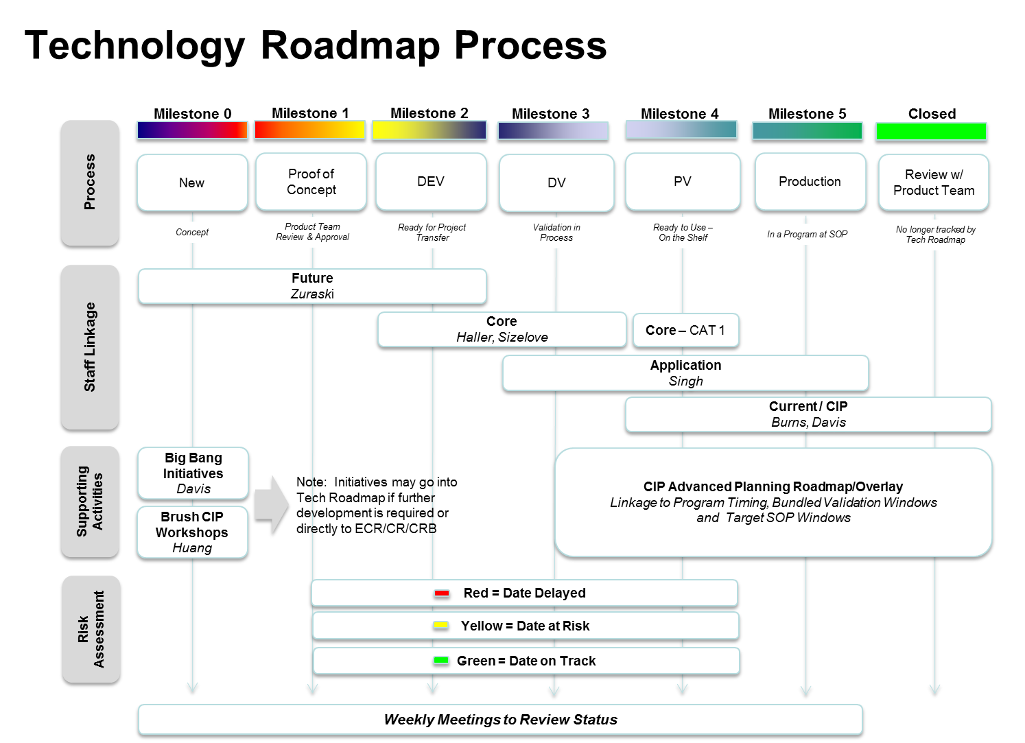
Milestone | Descrtiption | Exit Criteria
0 | New | Product Team Review
1 | Proof of Concept | Cross Functional Concept Revew Complete
2 | DEV | Functional Prototype, Risk Assessment complete. FE closeout and Transfer
3 | DV | DV Complete
4 | PV | Start of High Volume Production
5 | Production | Product Team Review
6 | Closed
9 | Cancelled | Product Team Review

Product Team Oct 15
Process Milestone | (Multiple Items)
 |  |  |  | February |  | October
Row Labels | Average of Value Add | Count of Value Add (%) | year | count | value add | count | value add | Delta
2014 | 20 | 1 | 2015 | 17 | 11.838235294 | 3 | 15.833333333 | -14
2015 | 15.833333333 | 3 | 2016 | 25 | 12.15 | 27 | 17.175925926 | 2
2016 | 17.175925926 | 27 | 2017 | 7 | 17.142857143 | 12 | 13.333333333 | 5
2017 | 13.333333333 | 12 | 2018 | 15 | 13.583333333 | 44 | 13.579545455 | 29
2018 | 13.579545455 | 44 | 2019 | 5 | 5.5 | 12 | 11.25 | 7
2019 | 11.25 | 12 | 2020 | 1 | 20 | 9 | 11.805555556 | 8
2020 | 11.805555556 | 9 | Decoupled | 22 | 22.670454545 | 12 | 9 | -10
2021 | 10 | 1 |  | projects | % | projects | %
2022 | 15 | 1
TBD | 2.0833333333 | 6
Tech Roadmap Projects October 2015
Change Since February 2015
(blank) | 5 | 4
Grand Total | 13.229166667 | 120

Product Team Feb 15
Row Labels | Average of Motivation Total | Sum of Cost (piece) |  | Row Labels | Count of Motivation Total
2015 |  |  |  | REPS Assist Mech (von Matt) | 18
Alternative Belt Supplier Development (Dayco) | 2 | 0 |  | CEPS Assist Mech (von Matt) | 15
Compliant Pins (MTO) | 7 | 2 | 1 | Power Pack (Roller) | 10
Dig. Abs. HW Pos. Sensor (I ^ 2C) - Dual Gear | 8 | 1 | 0.25 | Electronics (Colosky) | 9
Eccentric worm | -2 | 1 | 0.25 | Algorithms (Chandy) | 8
Eliminate Backdrive testing after set eccentric | 1 | 1 | 0.25 | ISO 26262 Compliance (Chandy) | 8
EOT Management (programmable travel stop) | 5 | -0.5 |  | Digital Torque and Position Sensors (Roller) | 7
Front and Tray Mount Controllers | 10 | 2 | 1 | Return to Manual Mitigation (Zuraski) | 6
Gates revised tooth belt geometry (deep) | 2 | 0 |  | Digital Motor Position Sensor (Roller) | 5
Integrated turns counter (AMS AS5235) | 2 | 1 | 0.25 | Manufacturing (Duvendack) | 5
Laser welding | 8 | 1 | 0.25 | Columns (Davis) | 2
Limp Home Pos Sensor (Non -Turns counter) | 5 | 0 |  | Current Mode (Chandy) | 2
Limp Home Pos Sensor (Turns counter) | 10 | -1 |  | ADAS (Zuraski) | 1
Limp Home Torque | 5 | 0 |  | Brush motor (system / current control) (Chandy) | 1
MTO dual pressure sensor | 4 | 0 |  | Growth Opportunity (Zuraski)
Spherical Ball Nut | 5.5 | -1.5 |  | Grand Total | 97
Spring Worm Isolators | 3 | 2 | 1
Torque Steer compensation | 5 | -0.5
2016 |  |  |  |  | year | count | value add | cost improvement
(EA 3.3) TMS570 Archer | 2 | 2 | 1 |  | 2015 | 17 | 11.8 | 4.25
Alternative sealing methods (dry) | 1 | 0 |  |  | 2016 | 25 | 12.2 | 8.5
Assist Mechanism REPS - Fully Integrated Single Bearing | 4 | 0 |  |  | 2017 | 7 | 17.1 | 4.5
CEPS Delash Mech | 3.5 | -5 |  |  | 2018 | 15 | 13.6 | 10.5
Compact Ball Return Guide | 1 | 0 |  |  | 2019 | 5 | 5.5 | 1.25
Cost optimized motor design (IPM/skew/pole shape/WIH) | 10 | 3 | 2 |  | 2020 | 1 | 20.0 | 1
Digital Motor sensor Allegro A1334 (No TC) Allegro A1331-(Integrated TC) end mount | 3 | -1 |  |  | Decoupled | 22 | 22.7 | 15
Hands on Wheel detection w/o external sensor | 3 | -0.5 |  |  |  | projects | % | $
Heat management for motor | 9 | 1 | 0.25
Tech Roadmap Projects
ISO26262 SW architecture | 7.5 | 0
Low Mass Plastic CEPS Hsg | 7.5 | 2.5 | 1
Low mass rack- hollow | 5.5 | -4.5
Low Mass Small Diameter Racks | 7.5 | 2 | 1
Non-delashed pinion | 4 | 1 | 0.25
Optimized Rack Induction Hardening Process and Requirement Flow Down | 1 | 1 | 0.25
Plastic driven pulley | 6 | 3 | 2
Shorter (Overlapping) Flex coupling | 4 | -1
Skewed worm axis for Single pinion 15 deg interesect angle | 8 | 0
Slippery Surface | 4 | 0 | 0.25
Small diameter high ratio REPS | 15 | 5
SPICE (traceability) | 5 | 0
Square cut seals | 1 | 1 | 0.25
SYSML/UML modeling tool standardization | 5 | -0.5
Terminating 9/6 Segment in Power Pack Motors | 2 | -2
Short tbar -profile grind (Gen4 - reqs tight stop teeth travel/ machine control) | 2 | 1 | 0.25
2017
Analytical Stability Compensation (no vehicle) | 3 | 0
Hard turned ball nut | 6 | 1 | 0.25
Motor Inertia Comp w/CM | 7 | 0
Next Gen Brush motor current control | 4 | 0
shaped stop teeth / sensor spline | 6 | 1 | 0.25
Stiffer assist path for worm shaft | 14 | 0
Variable ratio Rack forming by Cut and Coin | 8 | 5 | 4
2018
12-8 Dual Controller | 9 | 2 | 1
12-8 Motor | 5 | 1.5 | 0.25
Assemble ball nut bearings with integral inner race | 9 | 1 | 0.25
AUTOSAR 4 | 5 | 0
Cyber Security | 5 | 0
Dual spur gear HW position sensor (SENT) | 10 | 1 | 0.25
Electrical Architecture 4 | 14 | 3 | 2
GM HD Truck REPS w Redundancy | -21 | -5
Jeep Wrangler REPS | 16.5 | 5 | 4
Next Gen High Function Gate Driver | 7 | 1 | 0.25
Next Gen High Function Power Supply | 5 | 1 | 0.25
Observer based fault detection | 1.5 | 0
Optimized high output motor design (Diameter?) | 5 | 1 | 0.25
Power Inverter Optimization | 5.5 | 2.5 | 1
Smaller Torque sensor | 5 | 2.5 | 1
2019
High Output (above 90 Nm) CEPS | 4 | -2
Injected Molded Magnets for motors/sensors | 2.5 | 1 | 0.25
NG Digital motor sensor chip | 1 | 0.5 | 1
Optimize CCA packaging | 3 | -1
Tie Rod Force Sensing | 0.5 | -1
(blank)
3 low side shunt current measurement | 3 | 2 | 1
Brushless system to compete with Brush | 5 | -2
Deploy Formal process for safety management | 11 | -0.5
Development of Alternative 4 Point Contact Bearing Supplier (SKF) | 5 | 2 | 1
Digital SPI Motor Position Sensor IC | 3 | 1 | 0.25
Drowsy Driver Research | 12.5 | 0
FDD Standards / Autocoding Updates (EPS & MTO) | 4.5 | 0
Hot Upset Stake Phase 2 | 7 | 1 | 0.25
Isolated Wear Plate 2 Groove | 7 | 4 | 3
Loss of Assist (Requirements, Architecture, Safety, Etc.) | 13 | 0
Low Cost Cardan Joint Assembly | 0.5 | 2.5 | 1
Nexstep Medical Assist
Next Gen Return algorithm (HW speed based) | 7 | 0
Next Generation Systematic Software Error protection | 7.5 | 0 | 0.25
Next-Gen Current mode motor control | 7 | 0 | 2
Next-Gen power management | 3 | 0
PM Syncronous Reluctance motor | 1 | 3.5 | 2
Robust Natural Frequency
Rqmts Traceability Future State | 12 | -0.5
Solderless Phase Lead connection | 7 | 2 | 1
Switched Reluctance | 3 | 3 | 2
Two-Piece Rack | 7.5 | -1
High Ratio CEPS | 4 | 2.5 | 1
reverse battery protection | 4.5 | 1.5 | 0.25
2020
Closed loop Strg Synthesys | 8 | 2 | 1
Grand Total | 5.277173913 | 59.5

Packaging
Cost (piece) | (All)
Mass | (All)
Packaging | (Multiple Items)
Growth opportunity | (All)

Row Labels | Count of Packaging | Average of Packaging2
Front and Tray Mount Controllers | 1 | 3
Shorter (Overlapping) Flex coupling | 1 | 3
Skewed worm axis for Single pinion 15 deg interesect angle | 1 | 4
Stiffer assist path for worm shaft | 1 | 3
Compact brush motor (3.31Nm @ 1080rpm, 10mm shorter, Eurota) | 1 | 5
Bonded RE Magnet brush motor (3.85Nm @ 1080rpm, Eurota) | 1 | 3
Remove coupler, longer motor shaft with worm (redesign AM housing) | 1 | 5
Remote Controller (packaging flexible, motor/controller serviceable) | 1 | 5
Grand Total | 8 | 3.875

Histogram of Packaging Improvement
 |  |  |  | 1
 |  |  |  | 2
 |  |  |  | 3
 |  |  |  | 4
 |  |  |  | 5

 |  | Bin | Frequency
 |  | 1 | 15
 |  | 2 | 6
 |  | 3 | 4
 |  | 4 | 1
 |  | 5 | 3
 |  | More | 0

Cost
Cost (piece) | (Multiple Items)
Mass | (All)
Packaging | (All)
Growth opportunity | (All)

Row Labels | Count of Cost (piece) | Average of Cost (piece)2
Cost optimized motor design (IPM/skew/pole shape/WIH) | 1 | 3
Electrical Architecture 4 | 1 | 3
Low Mass Plastic CEPS Hsg | 1 | 2.5
Plastic driven pulley | 1 | 3
PM Syncronous Reluctance motor | 1 | 3.5
Power Inverter Optimization | 1 | 2.5
Small diameter high ratio REPS | 1 | 5
Smaller Torque sensor | 1 | 2.5
Switched Reluctance | 1 | 3
Variable ratio Rack forming by Cut and Coin | 1 | 5
High Ratio CEPS | 1 | 2.5
Inverter LoA Mitigation (SW - FET short mitigation) | 1 | 3
Plastic Hub of worm gear | 1 | 2.5
Remove coupler, longer motor shaft with worm (redesign AM housing) | 1 | 5
Grand Total | 14 | 3.2857142857

Histogram of Cost Improvement

 |  |  |  |  | 1
 |  |  |  |  | 2
 |  |  |  |  | 3
 |  |  |  |  | 4
 |  |  |  |  | 5

 |  |  | Bin | Frequency
 |  |  | 1 | 19
 |  |  | 2 | 15
 |  |  | 3 | 10
 |  |  | 4 | 1
 |  |  | 5 | 3
 |  |  | More | 0

Mass
Cost (piece) | (All)
Mass | (Multiple Items)
Packaging | (All)
Growth opportunity | (All)

Row Labels | Count of Mass | Average of Mass2
3.5circuit ball nut with returns and 26 mm rack bar diameter | 1 | 3
Low Mass Plastic CEPS Hsg | 1 | 3
Plastic driven pulley | 1 | 3
Small diameter high ratio REPS | 1 | 5
Stiffer assist path for worm shaft | 1 | 3
Hollow rack (manual gear, SPEPS) | 1 | 5
Hollow rack (REPS) | 1 | 5
Grand Total | 7 | 3.8571428571

Histogram of Mass Improvement

 |  |  |  | 1
 |  |  |  | 2
 |  |  |  | 3
 |  |  |  | 4
 |  |  |  | 5

 |  | Bin | Frequency
 |  | 1 | 16
 |  | 2 | 6
 |  | 3 | 4
 |  | 4 | 0
 |  | 5 | 3
 |  | More | 0

